K-12
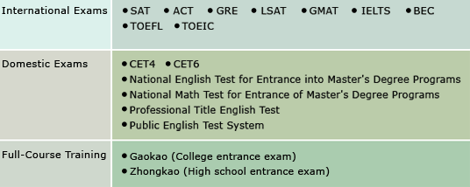
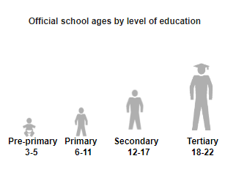

Chinese - Gaoko | http://www.neworiental.org/english/what/201507/8214171.html

